FPV check list
DJI FPV Check List
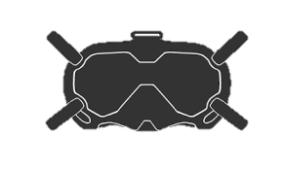
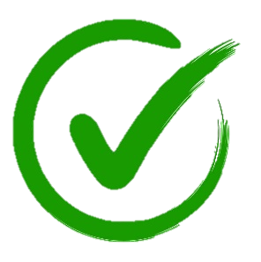
FPV Checklist

Predeparture |  | Pre-flight |  | Flight Check
 | Drone (present and intact) |  | Check all batteries |  | Rotors on call and executed
 | Drone batteries (charged & properly installed) |  | Remove gimbal cover |  | Launch and low hover until GPS acquired
 | Drone SD care (cleaned & properly installed) |  | Install props |  | Select test altitude
 | Drone Camera (checked and cover installed) |  | Check props (location, tight and secure) |  | Flight control check
 | Controller (sticks installed) |  | Select launch site and place drone |  | Determine return battery level
 | Goggles (antenna, straps, lenses clean) |  | Connect antenna to goggles |  | Start recording
 | Goggle batteries and cable |  | Connect power cable and battery to goggles
 | Props (2 of each + spares) |  | Extend radio antenna | Landing and Shutdown
 | Firmware (update check, including all batteries) |  | Check area (including above)
 | Batteries (charged) |  | Laydown launch pad and drone |  | Check landing area
 | ND filters (if required) |  | Turn on all batteries |  | Announce landing
 | Take-off pad (if required) |  | Loose leaf paper |  | Turn off all batteries
 | Other camera equipment (as required) |  | Set flight mode and limits |  | Pack away controller
 | Safety equipment (as required) |  | Check other settings |  | Pack away goggles battery and cable
 | Other support equipment (as required) |  | Rotors on call and execut |  | Check motor temp and remove props
 | Location check (as required) |  | Launch and low hover until GPS acquired |  | Pack props
 | Weather brief |  | Select flight check altitude |  | Remove and pack antenna, pack goggles
 |  |  |  |  | Pack drone
 |  |  |  |  | Close and secure case
Personal Minimums |  | Select from dropdown menu or enter "1" for each checked item
 | Max wind speed, 2knots
 | Max temperature, 40oC
 | Minimum distance from airfields, 10km
 | Launch area, clear

